Notes About the Data
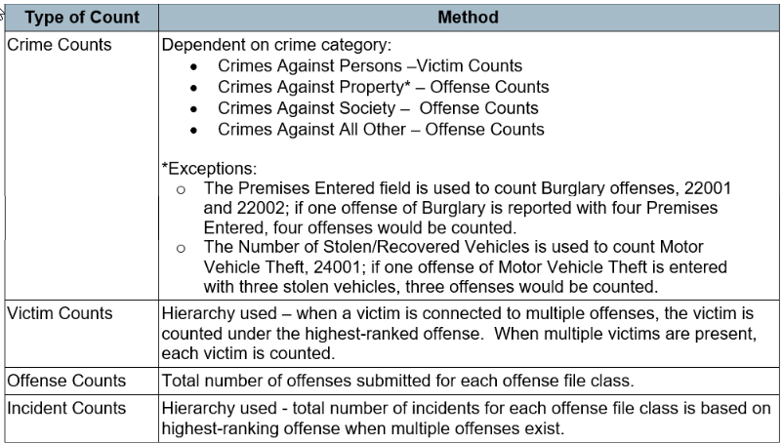
 | Michigan State Police Criminal Justice Information Center 2022 Agency Crime Statistics Report
How Crime is Counted in This Report
When looking at Percent Change from 2021 to 2022, note that not all agencies submitting 2022 data also submitted 2021 data. Agencies with a zero count in 2021 will have a "NaN" in the percent change column.
Crime counts (column J & K in this report) are dependent on crime category • Crimes Against Persons – based on victim counts using a hierarchy; only the most serious crime per victim is counted when victims are connected to multiple offenses. See the "Hierarchy" tab for rankings. • Crimes Against Property – based on offense counts, except: o Burglary offenses (22001 and 22002) count the number of premises entered for each burglary offense o Motor Vehicle Theft (24001) counts the sum of attempted motor vehicle thefts plus the number of vehicles stolen for each completed motor vehicle theft • Crimes Against Society – based on offense counts • Crimes Against All Other – based on offense counts
Victim counts (column D in this report): based on victim counts using a hierarchy; only the most serious crime per victim is counted when victims are connected to multiple offenses.
Offense counts (column E in this report): reflect the total number of offenses submitted for each offense file class.
Incident counts (column F in this report): reflect the total number of incidents for each offense file class based on an offense hierarchy; only the most serious offense is counted when the incident has multiple offenses.
Arrest counts (column G in this report): reflect the number of incidents per MICR offense file class (in column F) that had any arrest reported for the incident. For example, if Incident column F displays 25, and Arrest column G displays 10, 10 incidents had an associated arrest, of any kind.
Exceptional Clearance counts (column H in this report): reflect the number of incidents per MICR offense file class (in column F) that were closed to an exceptional means of clearance (see the MICR manual for details on exceptional clearance criteria).
Clearance Percent (column I in this report): calculated by summing total arrests (column G) and total exceptional clearances (column H) and dividing by total incidents (column F).
Notes About the Data
Each year, MICR data is “frozen” on a specific date to create the annual Crime in Michigan report. This publication’s frozen date was March 1, 2023. Any new or updated crime data submitted to the MICR database after the “frozen” date is not included in the report.
Agencies unable to submit complete data by March 1, 2023, will show artificially low crime counts in this report. This may be due to agencies experiencing a disruption in their crime submission process or transition to a new records management system. Users are cautioned against performing trend analysis or ranking agencies/cities, especially for those agencies/cities that indicate a significant increase or decrease in yearly crime counts. When analyzing crime changes, one should consider missing data, population density/composition/stability, urbanization, modes of transportation, economic conditions, cultural characteristics, family cohesiveness, climate, strength and policies of the criminal justice system, and crime reporting practices of the citizenry.

